Methods
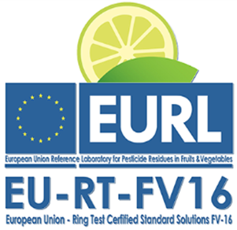
Results of the Ring Test EU-RT-FV16

 | Laboratory name:

 | Laboratory Code: |  |  | Ampoule number:

METHOD | Volume of standard solution used for the dilution (µl): | Volume of solvent used for the dilution (µl): | Dilution solvent 1 | Dilution solvent 2 | Dilution solvent 3 | GC Detector: | GC Injection Mode: | LC Detector: | Analyser: | Ionisation mode: | Polarity | Acquisition Mode: | Injection Volume (µl):: | Calibration | ISTD used?: | ISTD details
Method 1
Method 2
Method 3
Method 4
Method 5
Method 6
Method 7
Method 8
Method 9
Method 10

